Test Images
image0_AD-UNI-L-DFA

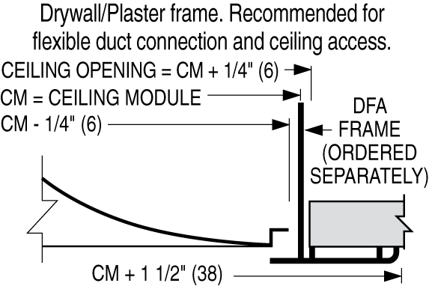

image1_AD-UNI-L-DFA - scaled 50%

image2_AD-UNI-L-DFA

image3_AD-UNI-L-DFA

